1. Title Page
Instacart Grocery Basket Analysis

Project Name: Instacart Grocery Basket Analysis
Date: 1 September, 2022
Analyst Name: Ambika Timilsena

Contents:
Population Flow
Consistency checks
Wrangling steps
Column derivations
Visualizations
Recommendations

“The Instacart Online Grocery Shopping Dataset 2017”, Accessed from https://www.instacart.com/datasets/grocery-shopping-2017 on 7/15/2022.
The customer data and the “prices” column in the products data set were both fabricated for the purpose of this analysis.

2. Population Flow
Title page

Population flow

Exclusion flag
Condition: max_order < 5
Obervations to be removed: 1,440,295
Final total count of order_products_all: 30,964,564

Orders_products_combined
Orders_products_merged
Orders_products_all

Total: 32,404,859
Total: 32,434,489
Total: 32,404,859

1.) The grey boxes in the first row of the population flow represent the original data sets as they were when you downloaded them. In the Total fields you need to add the count of the rows when you imported the data set into Jupyter.
2.) The second row of boxes (coloured) represents the data sets after you manipulated them, e.g., removed missing values and duplicates. In the Total fields you need to add the count of the rows after conducting these operations. This offers a visual oveview of how the data flows throughout the data consistency checks.
3.) The third row, where also the arrows are coloured, represents the merges you performed between the datasets. In the Total fields you need to add the count of the rows in the merged datasets, so that you end up with the final dataset (in the red box). Keep in mind the final dataset should be without exclusions (based on the exclusion flag).

3. Consistency checks
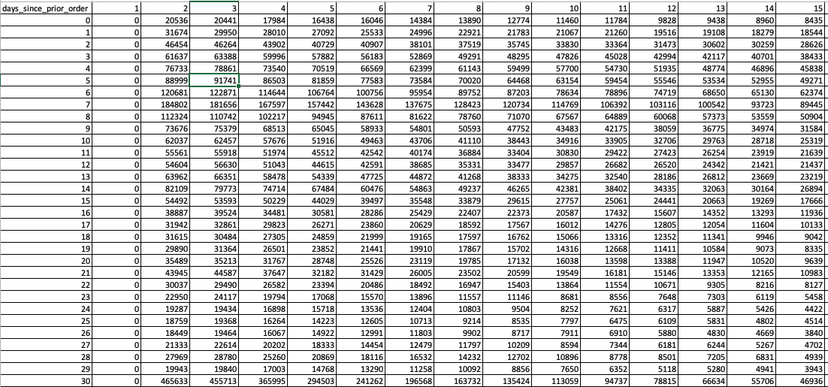
 |  |  |  |  | Title page
Consistency checks

Dataset | Missing values | Missing values treatment | Duplicates | Ref : Columns
orders | 206209 NaN | As it indicated first order from the customer, new column name 'New Customer' is created. | No Duplicates were found | days_since_prior_order

products | 16 NaN | New dataset without missing value created | 5 records with exact duplicates removed | product_name
 | Prices above 25 | Changed to NaN |  | prices

orders_products_prior | no missing values found |  | No Duplicates were found

customers | 11259 NaN | Entire column has been removed from the dataset due to PII issues | No Duplicates were found | Fisrt_name

We found missing values in days_since_prior_order column in orders dataset but conducted an analysis that revealed them to be fine in context.

4. Wrangling steps
 |  |  |  |  | Title page
Wrangling steps

Dataset | Columns dropped | Columns renamed | Columns' type changed | Comment/Reason
Orders |  |  | user_id type to string | column acts as key
 |  | order_dow->order_day_of_the_week |  | name was not clear
Customers |  | First name to first_name |  | Consistency and easier to understand
 |  | Surnam to last_name
 |  | fam_status to marital_status
 |  | n_dependants to no_of_dependents
 |  | Gender to gender
 |  | STATE to state
 |  |  | first_name to string | data type was mixed
Full_instacart_data | first_name |  |  | PII issues
 | last_name |  |  | PII issues
 | eval_set |  |  | Not needed for analysis
 | _merge |  |  | Not needed for analysis

5. Column derivations
 |  |  |  |  | Title page

Column derivations and aggregations

In this tab you should add tables below that the frequences of flags/label variables that you produced after deriving them. NB: don't do this for continuous variables, only for flags.
Dataset | New column | Column/s it was derived from | Conditions | Frequency of Flags
orders_products_merged | price_label | prices | If price <= $5, it will be labeled a “low-range product.” If price > $5 but l<= $15, it will be labeled a “mid-range product.” If price > $15, it will be labeled a “high-range product.” | Mid_range product 21860860 Low_range product 10126321 High_range product 417678 Name: price_range_loc, dtype: int64
 | busiest_day | orders_day_of_the_week | busiest day is day 0, least busy is day 4, rest are regularly busy | Regularly Busy 22416875 Busiest Day 6204182 Least Busy 3783802 Name: busiest_day, dtype: int64
 | busiest_days | orders_day_of_the_week | busiest days is day 0 and 1, least busy is day 3 and 4, rest are regularly busy | Regularly busy 12916111 Busiest days 11864412 Slowest days 7624336 Name: busiest_days, dtype: int64
 | busiest_period_of_day | order_hour_of_day | if hour of day <=16 and >=9, then 'Most orders', if hour of day <=5 and >= 0 then 'Fewest orders', else - 'average orders'. | Most orders 21118071 Average orders 10690460 Fewest orders 596328 Name: busiest_period_of_day, dtype: int64
orders_products_derived | max_order | user_id, order_number | max number of orders for each user
 | loyalty_flag | max_order | if max_order>40, customer is 'loyal customer', if max_order<=40 and>10, then customer is 'regular customer', if max_order<=10 then customer is 'new customer'. | Regular customer 15876776 Loyal customer 10284093 New customer 6243990 Name: loyalty_flag, dtype: int64
 | average_price | user_id, prices | mean price of each users orders
 | spending_flag | average_price | If the average prices of products purchased by a user is lower than 10, then flag them as a “Low spender.” If the average prices of products purchased by a user is higher than or equal to 10, then flag them as a high spender | Low spender 31770742 High spender 634117 Name: spending_flag, dtype: int64
 | median_order | user_id, days_since_prior_order | median value of days since prior order of each user
 | order_frequency_flag | median_order | If median of “days_since_prior_order” is higher than 20, then customer is 'Non-frequent customer' if median of “days_since_prior_order”>10 and <=20, then customer is 'regular customer', if median of “days_since_prior_order”<=10, then customer is 'frequent customer' | Frequent customer 21559853 Regular customer 7208564 Non-frequent customer 3636437 NaN 5 Name: order_frequency_flag, dtype: int64
full_instacart_data | region | state | states were divided into 4 regions: South, West, Midwest, Northeast | South 10791885 West 8292913 Midwest 7597325 Northeast 5722736 Name: region, dtype: int64
 | activity | max_order | if max_order is less than 5 as Low Activity and >=5 as regular activity | regular activity 30964564 low activity 1440295 Name: activity, dtype: int64
 | age_group | Age | young group <= 24, adult > 24 and < 65 and Senior >=65 | Adult 19353826 Senior 8195544 Young 3415194 Name: age_group, dtype: int64
 | income_group | income | <55,000- low income, >=55,000 & <200,000- average income, >=200,000- high income | average income 26258034 low income 4452388 high income 254142 Name: income_group, dtype: int64
 | dependent_flag | no_of_dependants | customers with 0 dependents are no dependents customers and customers with more than 0 dependents are parents | has dependents 23224883 No dependents 7739681 Name: dependent_flag, dtype: int64
 | pet_flag | department | customers who has purchsed pet products: has a pet - 'has pets'/doesn't have pets - 'no pets'. | no pets 30871504 has pets 93060 Name: pet_flag, dtype: int64
 | babies_flag | department | who purchased babies products: has a - 'has babies'/doesn't have pets - 'no babies'. | no babies 30554172 has babies 410392 Name: babies_flag, dtype: int64

6. Visualizations
 |  |  |  |  |  |  | Title page

Visualisations

KEY QUESTIONS
Q1. The sales team needs to know what the busiest days of the week and hours of the day are (i.e., the days and times with the most orders) in order to schedule ads at times when there are fewer orders.
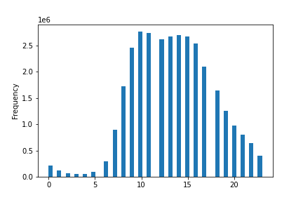


From the above Histogram, we can see that most ogf the orders are placed in between 9 AM and 4 PM. |  |  | The above bar chart shows the no. of orders placed in each days of the week. (0: Saturday and 6: Friday).
 |  |  | The most of the orders are placed in weekends.

RECOMMENDATION: | Ads should be scheduled from 4 pm till 9 am during weekdays when there are fewer orders.

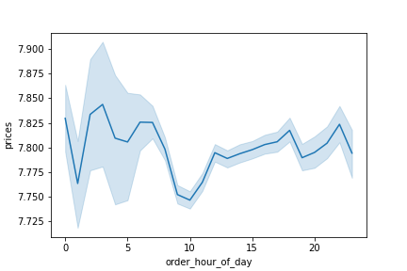
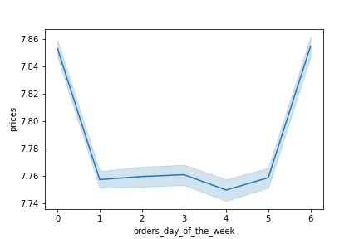
Q2. They also want to know whether there are particular times of the day when people spend the most money, as this might inform the type of products they advertise at these times.

The above line chart shows the average price of products purchased at each hour of day. |  |  | The above line chart shows the average price of products purchased during the day of the week.
We can see that on average, the most expensive products are purchased from around 12 pm till around 7 am. |  |  | We can see that on average, the most expensive products are purchased on weekends.

RECOMMENDATION: Sales team needs to analyze the time 12pm till around 7am on Saturday and Sunday in order to place ads for high range products.

Q3. Instacart has a lot of products with different price tags. Marketing and sales want to use simpler price range groupings to help direct their efforts.
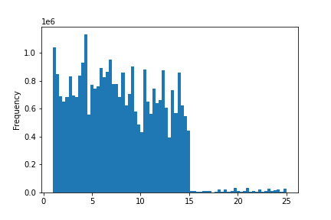
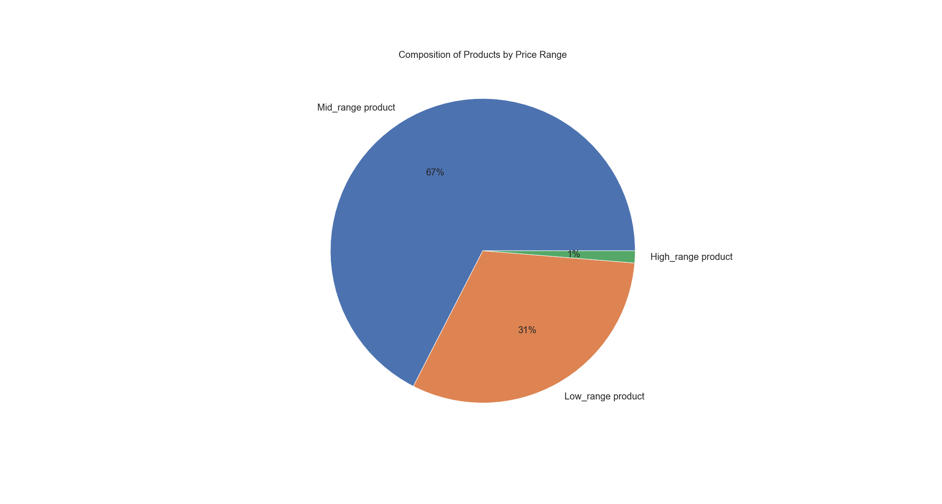

The histogram above presents the distribution of prices for products. |  |  | The pie chart represents the composition of products by price range.
Here we can see that most of the prices are lower than 15$. |  |  | We can see that the largest share of products (67%) are mid-range products,
The products, therefore, have been grouped as follows: |  |  | 31% of the products are low-range products and only 1% of the products are high-range products.
If the item’s price is lower than or equal to $5, it will be labeled a “low-range product.”
If the item’s price is above $5 but lower than or equal to $15, it will be labeled a “mid-range product.”
If the item’s price is above $15, it will be labeled a “high-range product.”

Q4. Are there certain types of products that are more popular than others? The marketing and sales teams want to know which departments have the highest frequency of product orders.
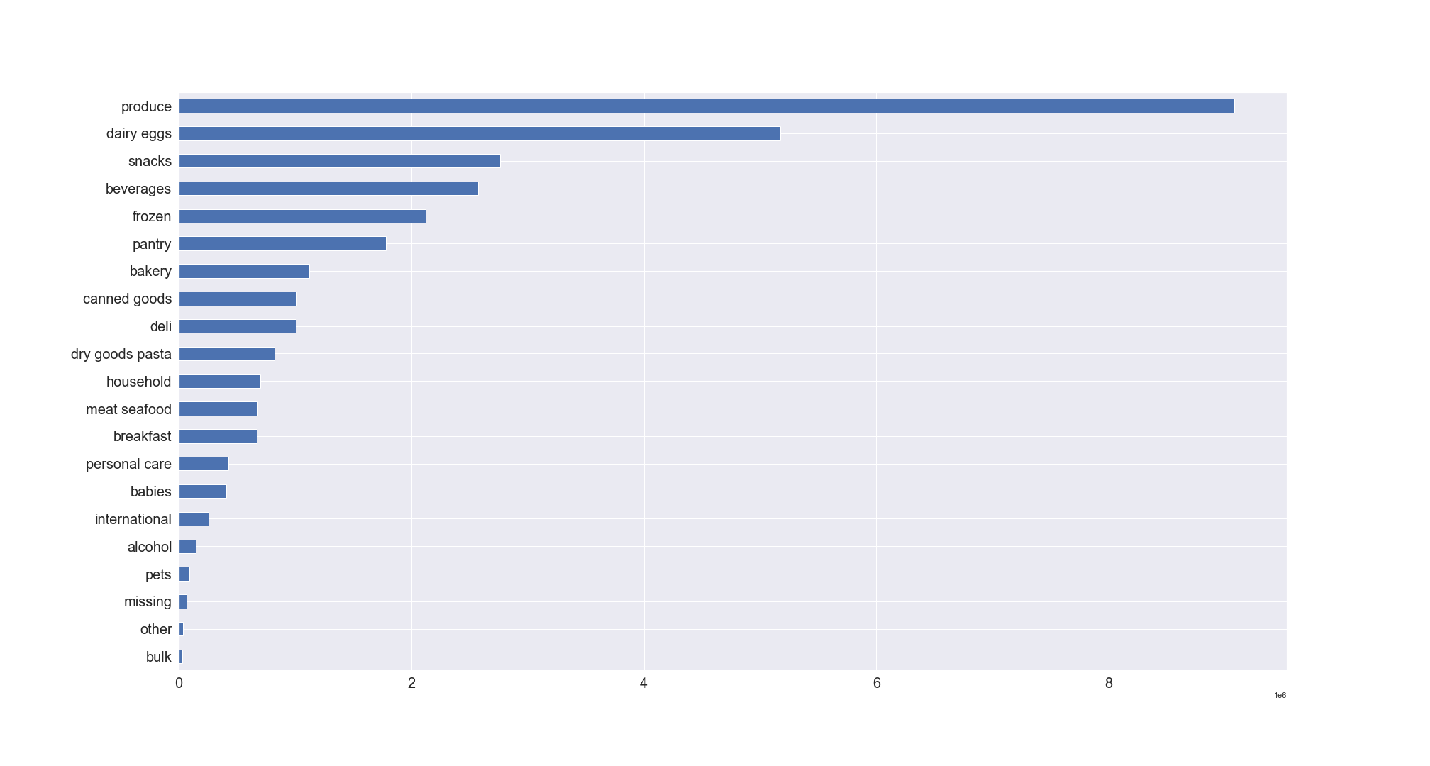

The above bar chart shows the number of products ordered per department
Top 5 products in term of highest number of orders are: |  | The least number of orders were from bulk department.
1. Produce
2. dairy eggs
3. snacks
4. beverages
5. frozen

Q5.1 What’s the distribution among users in regards to their brand loyalty (i.e., how often do they return to Instacart)?
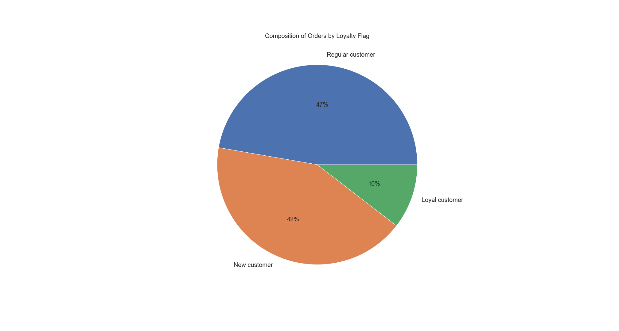

Customers were grouped into 3 categories based on the amount of their orders:
Loyal customer' - more than 40 orders
Regular customer'- equal to or less than 40 and more than 10 orders
New customer'- equal to or less than 10 orders

The pie chart represents the composition of orders based on loyalty.
We can see that around half of the orders are made by regular customers (47%), 42% of orders are made by loyal customers andonly 10% of orders are made by new customers.

Q5.2 Are there differences in ordering habits based on a customer’s loyalty status?
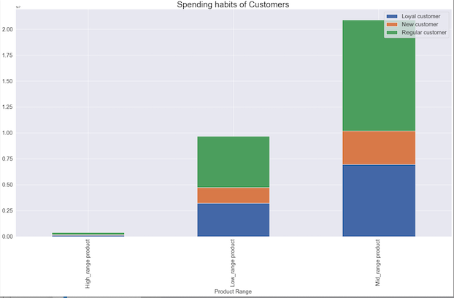

The stacked bar chart above presents the spending habits of customers based on loyalty flag.
The most of the mid_range products are ordered by the regular customers.

RECOMMENDATION: As we have the highest composition of New customers and regular customers in ordering habits,
they should be sent regular notifications to make orders in order to encourage them to continue ordering to become loyal customers.

Q 5.3 Are there differences in ordering habits based on a customer’s region?
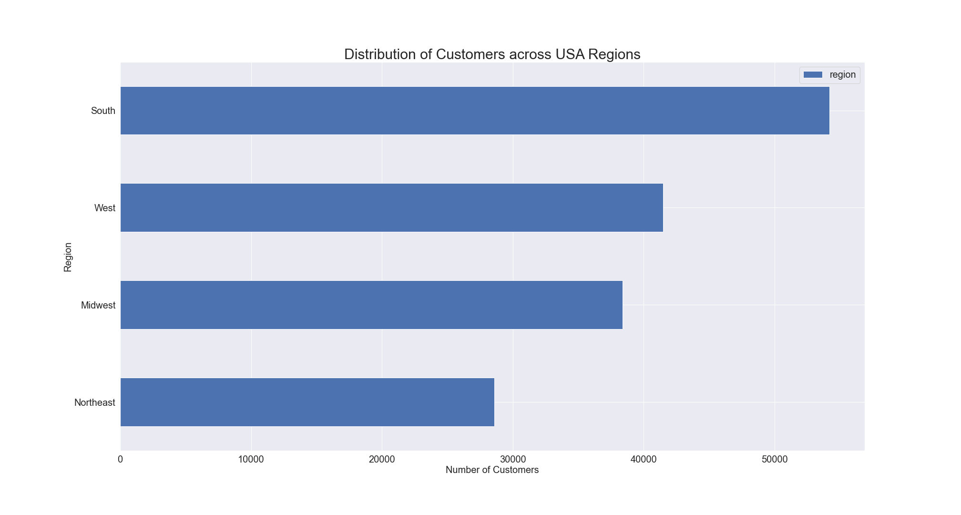

The bar chart represents the number of customers across regions.
We can see that the highest number of customers are in South, followed by West and Midwest, while the lowest number of customers is in Northeast.

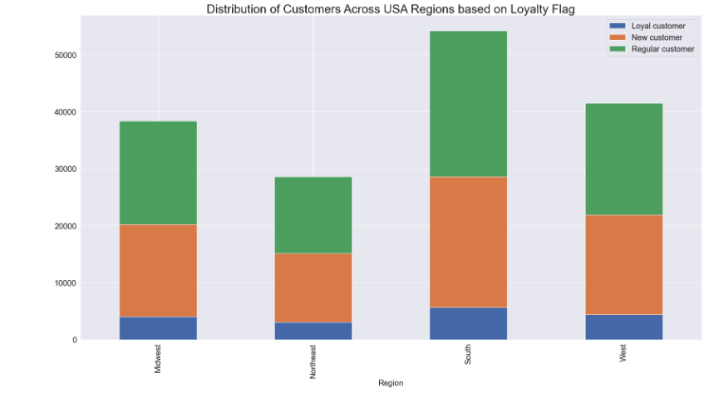

The stacked bar chart represents the distribution of customers across regions based on loyalty flag. We can see that the lcustomers are distributed almost in same manner across all regions.
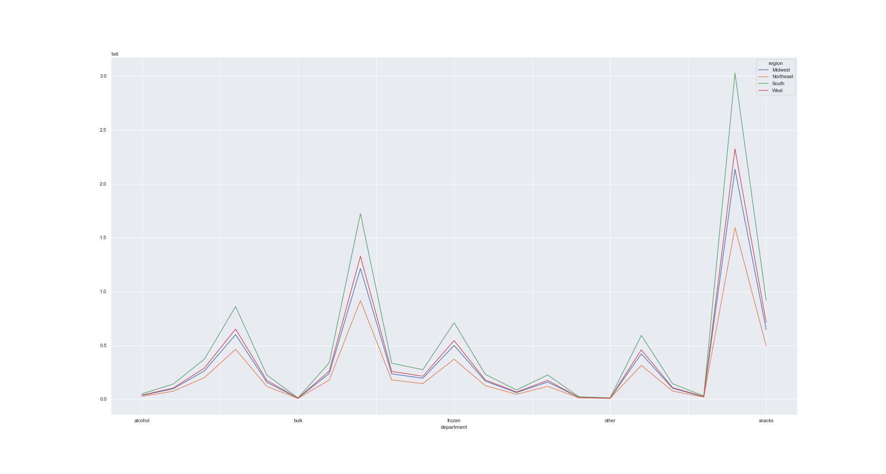

The above line chart shows the frequency of orders made for each department in each region.
All regions have the same preferences in terms of department. Produce is the most popular department while bulk is the least popular item.

Q5.4 Is there a connection between age and family status in terms of ordering habits?
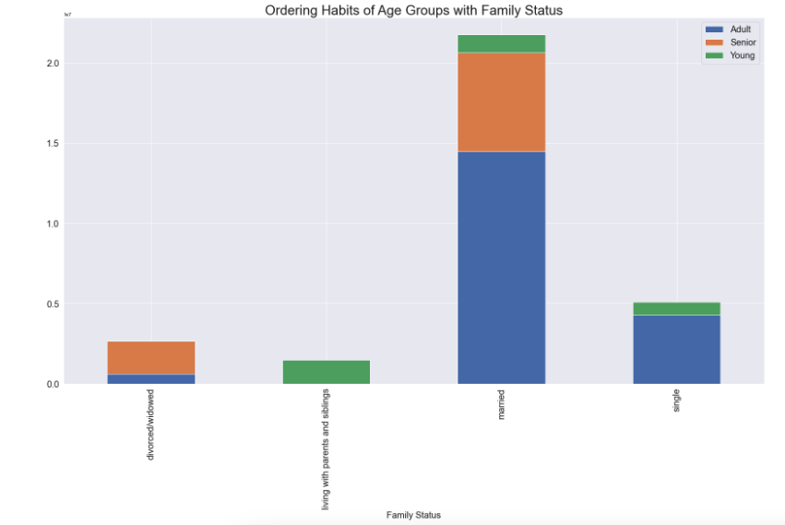

The above bar chart shows the ordering habits of custormers with family status and age group.
There is a connection between age and family status in terms of ordering habits.
The orders made by customers living with parents and siblings are all orders made by young adults.
Orders made by divorced/widowed customers are only made by adults and seniors.
There are no single seniors.

RECOMMENDATION: The customer base should be increased by targeting ads for married adult and senior customers.

Q5.5 What different classifications does the demographic information suggest? Age? Income? Certain types of goods? Family status?
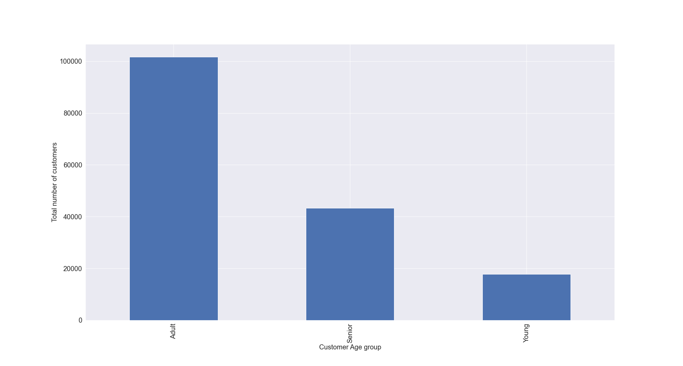
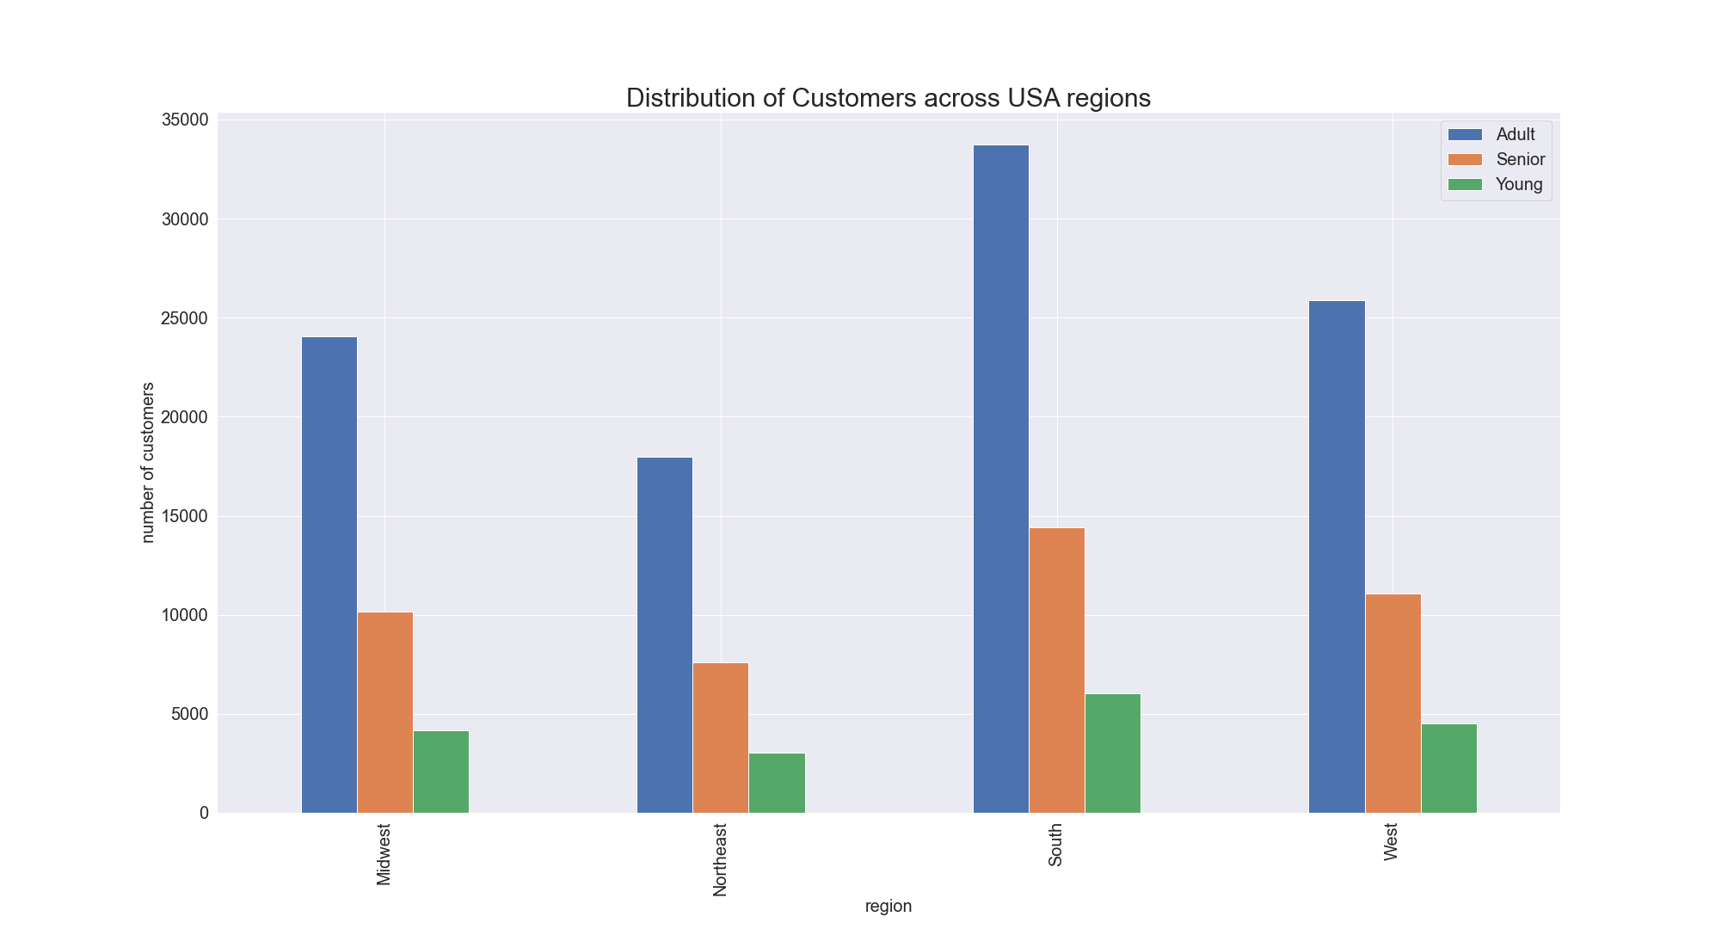

The bar chart represents the distribution of age for customers. |  |  |  |  |  | The bar chart above shows the distribution of customers across US regions by age_group.
We can see that the highest number of customers (around 62%) are Adults, follwed by Senior (27% ) and young aged (11%).
Customers are grouped into 3 categories based on their age:
Young ' <= 24
Adult'- >25 and < 65
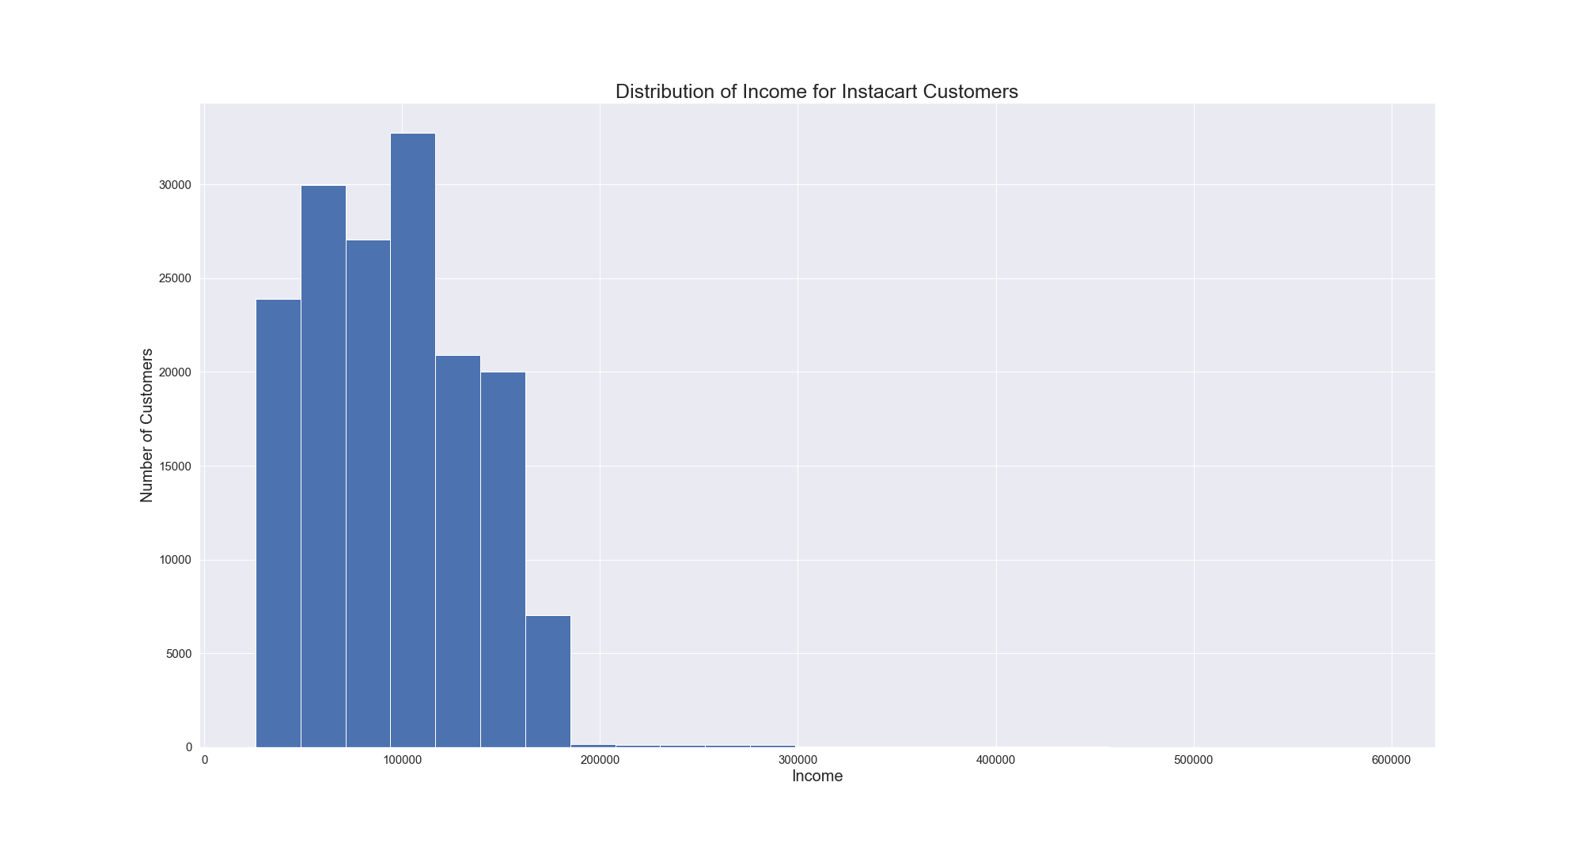
Senior'- >=65


The scatterplot above shows the reationship between age and income for customers. |  |  |  |  | The histogram above shows distribution of income for customers.
We can notice that the maximum income for people over 40 is around 600,000, |  |  |  |  | The customers were divided into 3 groups based on their income range:
while maximum income for people under 40 is 400,000. |  |  |  |  | If income is <55,000- low income, >=55,000 & <200,000- average income, >=200,000- high income
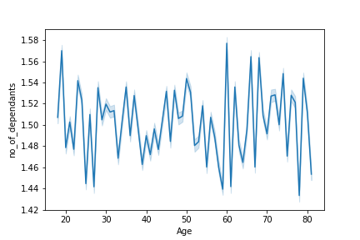
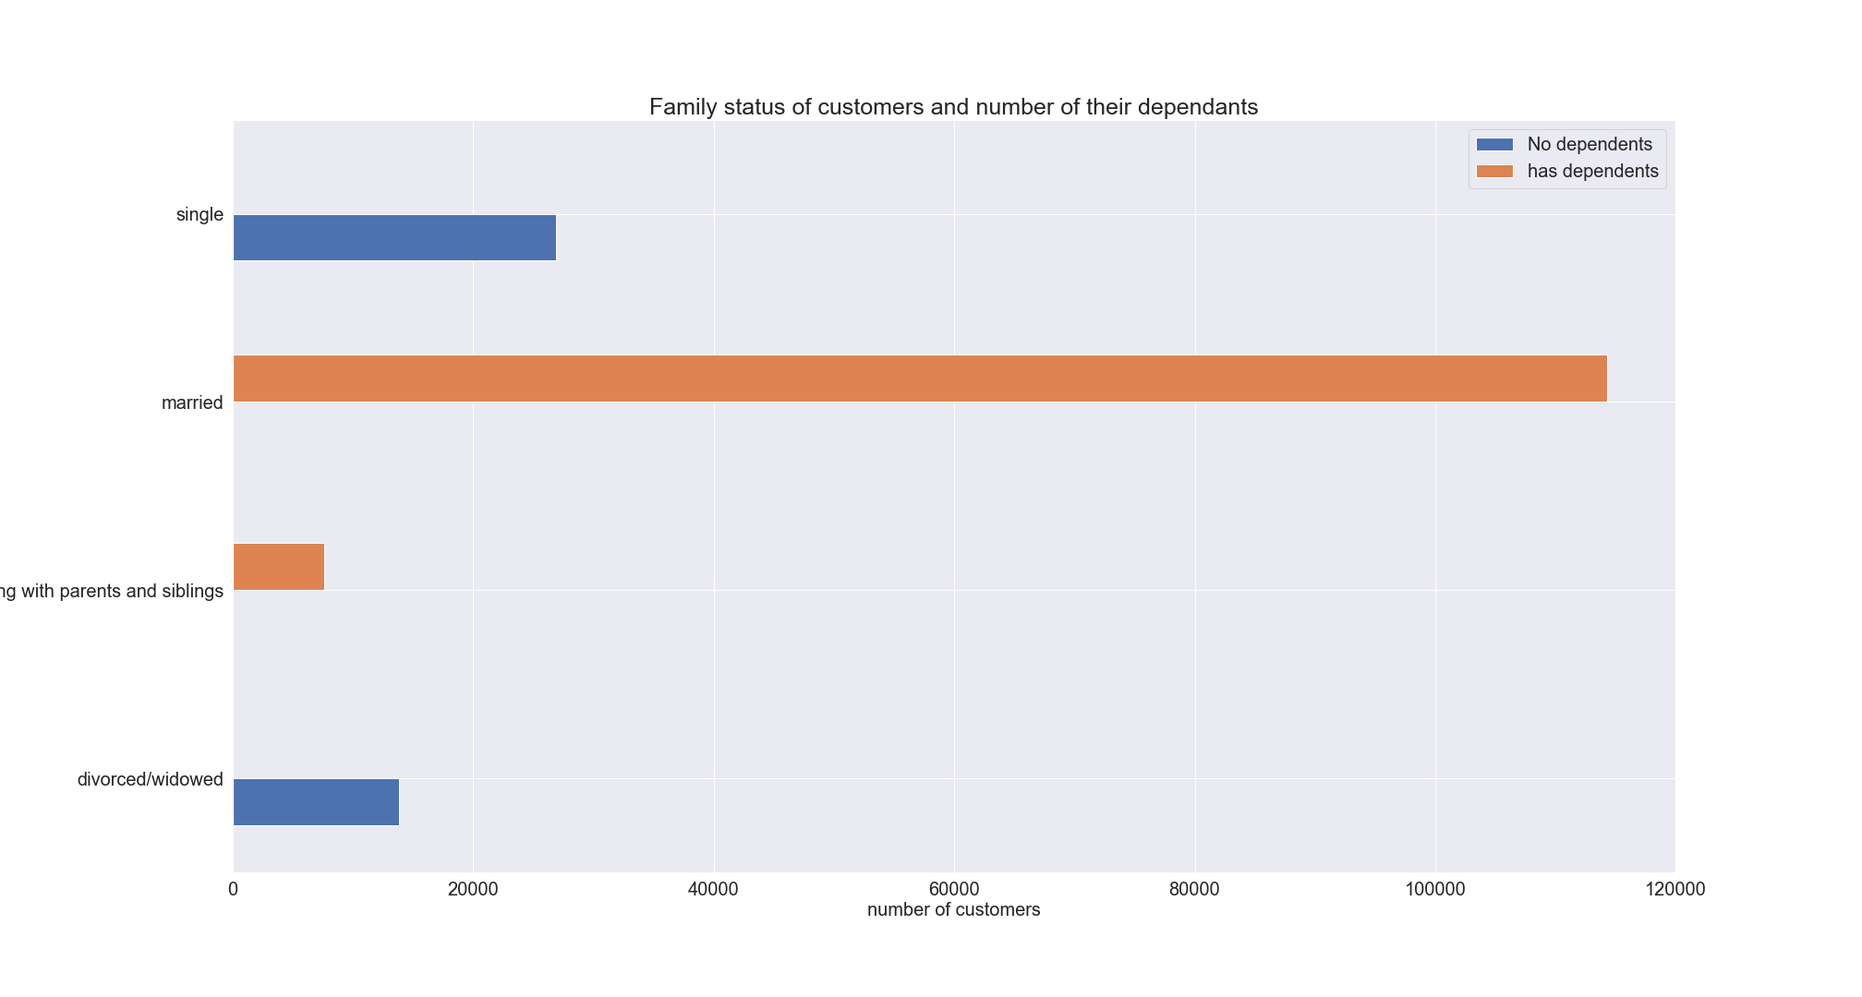

The line chart above shows the relationship between number of dependants and age. |  |  |  | The bar chart above shows the family status of customers and number of their dependants, we can see that single and divorced\widowed people have no dependants, while all of the married people and people living with parents have dependents. We can also notice that around 66% of the customers are married with dependants.
We can see that there is no correlations between these 2 factors. Customers of all ages could have depednants.

RECOMMENDATION: It is recommended to advertise more expensive products to customers with higher income and cheaper/mid-range products to customers with lower income based on their order history.

Q 5.6 What differences can you find in ordering habits of different customer profiles? Consider the price of orders, the frequency of orders, the products customers are ordering, and anything else you can think of.
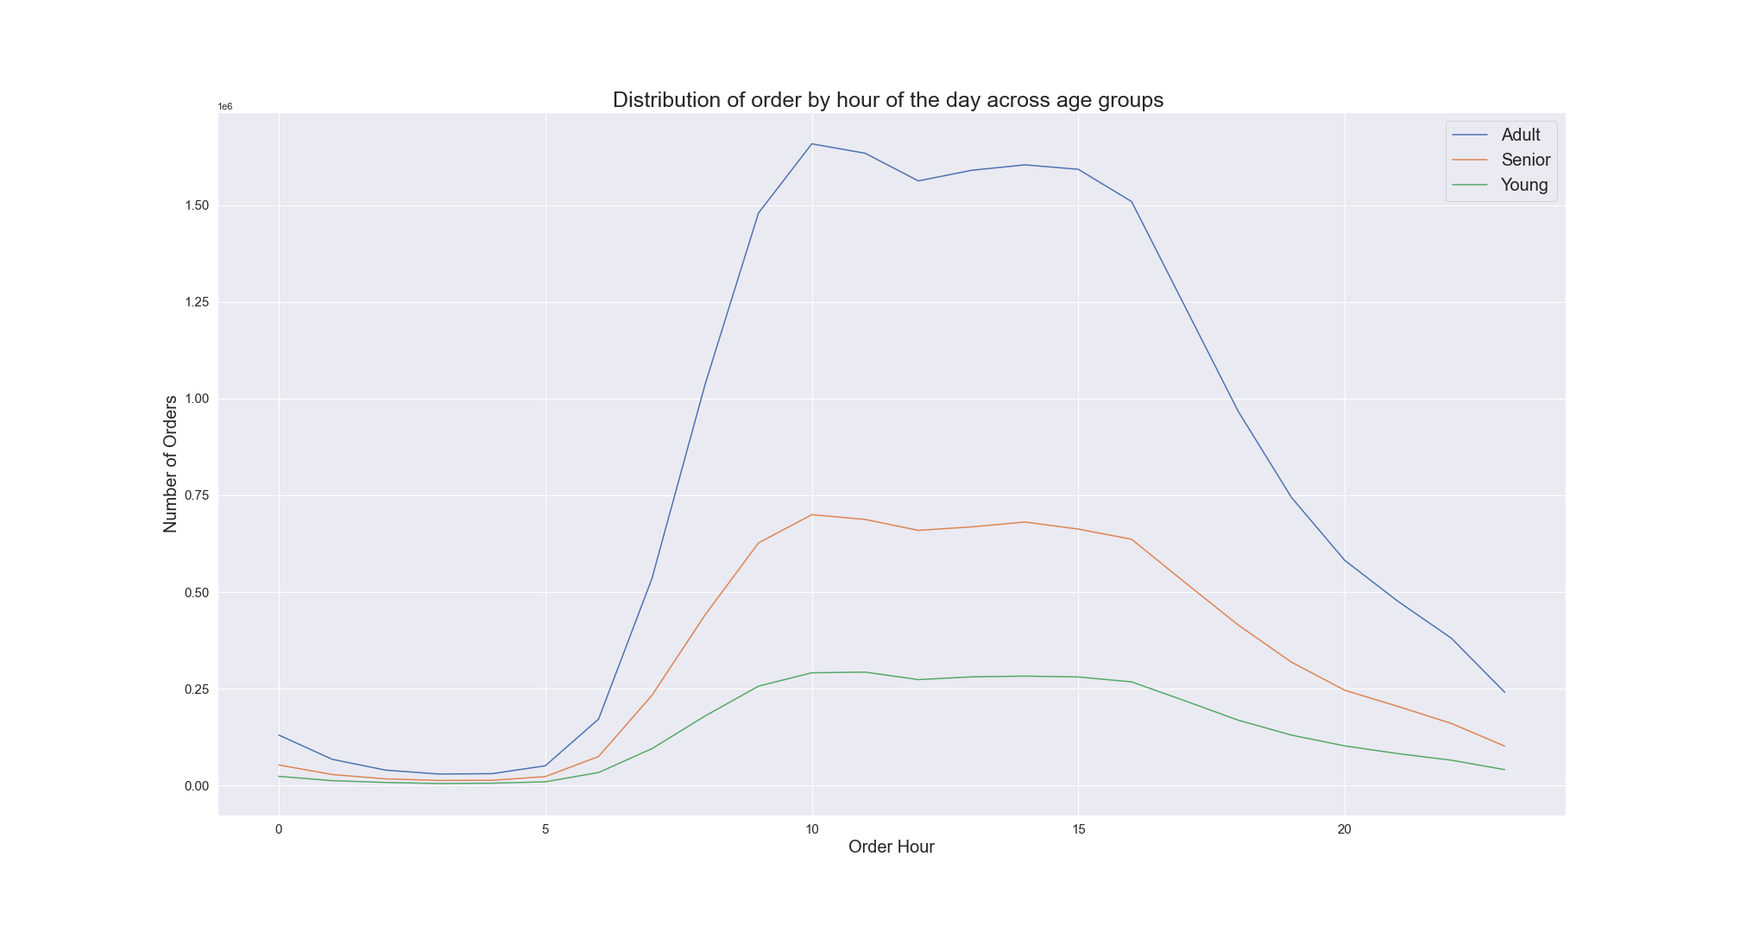
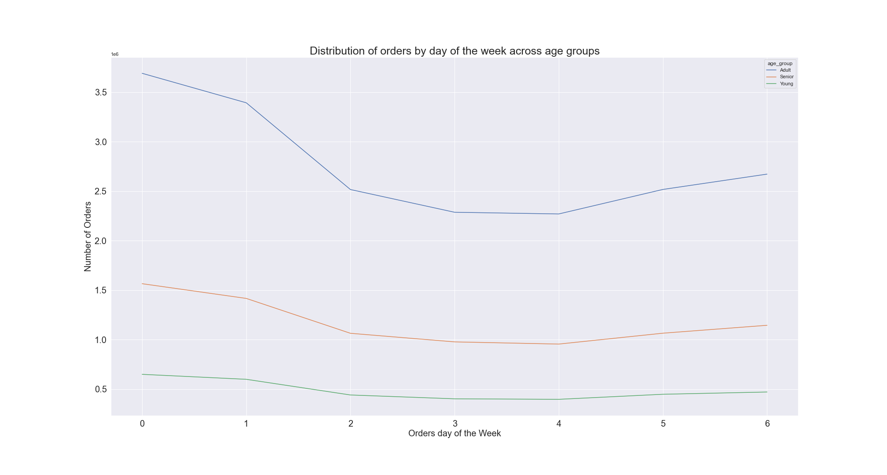

From the above line charts we can see that ordering habits of age group during the hours of the day and week days. Almost all 3 age groups have similar ordering pattern. So, we can target these customers by sending ads and promotions at same time.
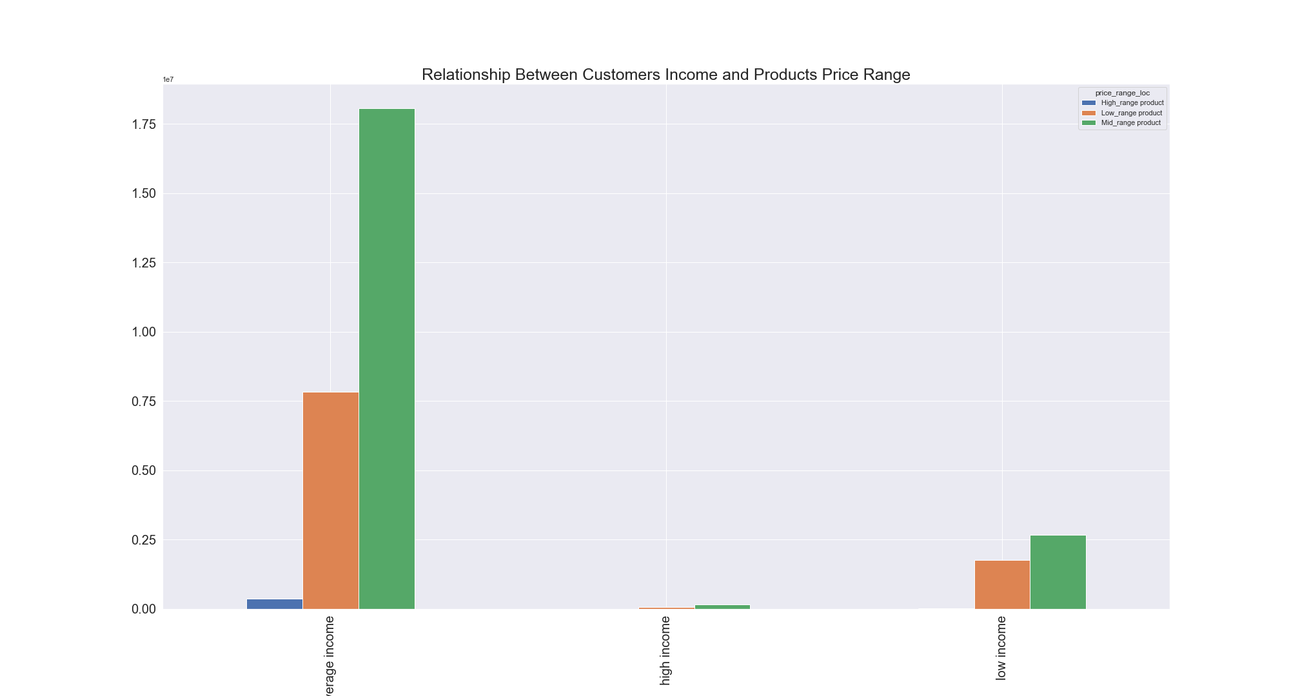

From the above bar chart, we can see that customers having average income are buying more mid_range products. Maximum high_range products are purchsed by customers having average income.
Similarly, customers with low income are also buying more mid_range products.
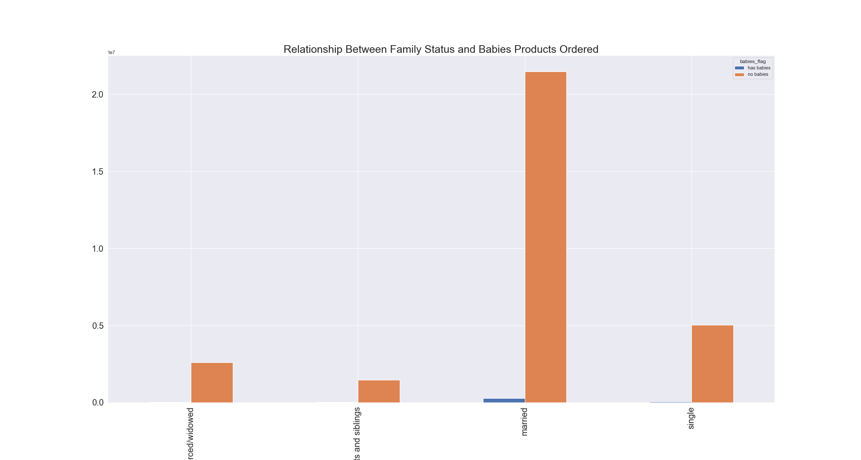

The above bar chart shows that married people are buying maximum babies products and we can see that single customers who do not have any dependents are also buying babies products.

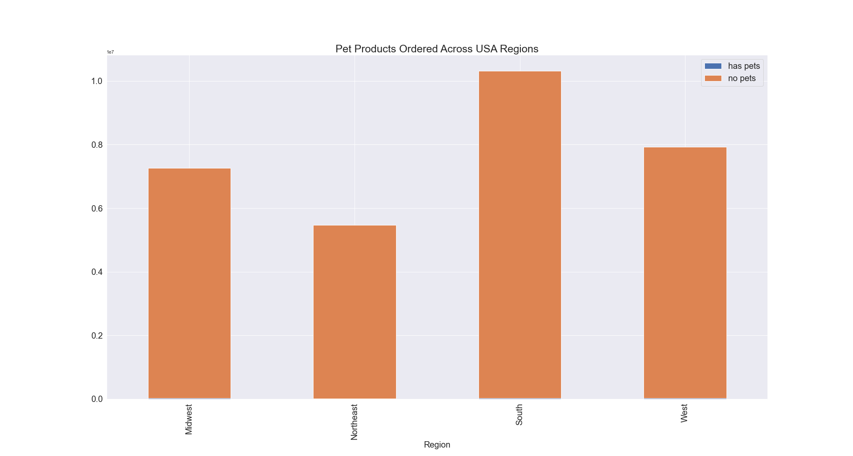

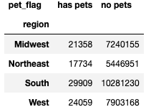

The chart shows that there are fewer pet owners than non-pet owners. The south region has the highest number of pet owners.

RECOMMENDATION: Customers should be targeted with ads based on their order history in order to encourage them to order more frequently and become loyal customers.
Baby and pet stuff should be advertised to only customers who have bought them, since these are relatively specific items and the share of customers who bought them is relatively small.

7. Recommendations
 |  |  | Title page

Recommendations

In this tab you should include any recommendations you would made to Instcart in terms of their marketing strategy based on the questions posed in the brief. Every key question has been covered in the Tasks of the Exercises - here you need to add an item - a visualisation or table/crosstable that is showing the answer in the data, acompanied by a comment from you. Please, list the questions below and add the answer underneath.

Question | Questions | Answer
Key Question 1 | The sales team needs to know what the busiest days of the week and hours of the day are (i.e., the days and times with the most orders) in order to schedule ads at times when there are fewer orders. | Ads should be scheduled from 4 pm till 9 am during weekdays when there are fewer orders.
Key Question 2 | They also want to know whether there are particular times of the day when people spend the most money, as this might inform the type of products they advertise at these times. | Sales team needs to analyze the time 12pm till around 7am on Saturday and Sunday in order to place ads for high range products.
Key Question 3 | Instacart has a lot of products with different price tags. Marketing and sales want to use simpler price range groupings to help direct their efforts. | Mid-range products are the most popular products whereas high_range products are the least popular products. Price based ads should be sent to the customers based on their order history .
Key Question 4 | Are there certain types of products that are more popular than others? The marketing and sales teams want to know which departments have the highest frequency of product orders. | The top 5 products in term of highest frequency of products ordered are produce, dairy products, snacks, beverages and frozen. New ad campaign should aslo be targeted to the departments having lowest market sales like bulk, pets, alcohol.
Key Question 5.1 | What’s the distribution among users in regards to their brand loyalty (i.e., how often do they return to Instacart)? | Ads targeted at new and regular customers can encourage them to become loyal customers.
Key Question 5.2 | Are there differences in ordering habits based on a customer’s loyalty status? | As we have the highest composition of new customers and regular customers in ordering habits, they should be sent regular notifications to make orders in order to encourage them to continue ordering to become loyal customers.
Key Question 5.3 | Are there differences in ordering habits based on a customer’s region? | The number of customers from regions corresponds to the population size of these regions. So the ads should be targeted to increase customer base across all regions. Further, all the regions have highest frequency of orders from the same departments. Ads, promotions and recommendations for the products from these departments is recommended to be sent regularly to the customers.
Key Question 5.4 | Is there a connection between age and family status in terms of ordering habits? | It is recommended to target ads for married adult and senior customers.
Key Question 5.5 | What different classifications does the demographic information suggest? Age? Income? Certain types of goods? Family status? | It is recommended to advertise more expensive products to customers based on their purchasing capacity. For eg; high-range products to customers with higher income and mid-range/low-range products to customers with average/low income based on their order history.
Key Question 5.6 | What differences can you find in ordering habits of different customer profiles? Consider the price of orders, the frequency of orders, the products customers are ordering, and anything else you can think of. | Ads should be scheduled from 4 pm till 9 am during weekdays for customers of all ages, since their ordering behavior is similar. Customers should be targeted with ads based on their order history in order to encourage them to order more frequently and become loyal customers. Baby and pet stuff should be advertised to only customers who have bought them, since these are relatively specific items and the share of customers who bought them is relatively small.

